Combo Accurate Grosir
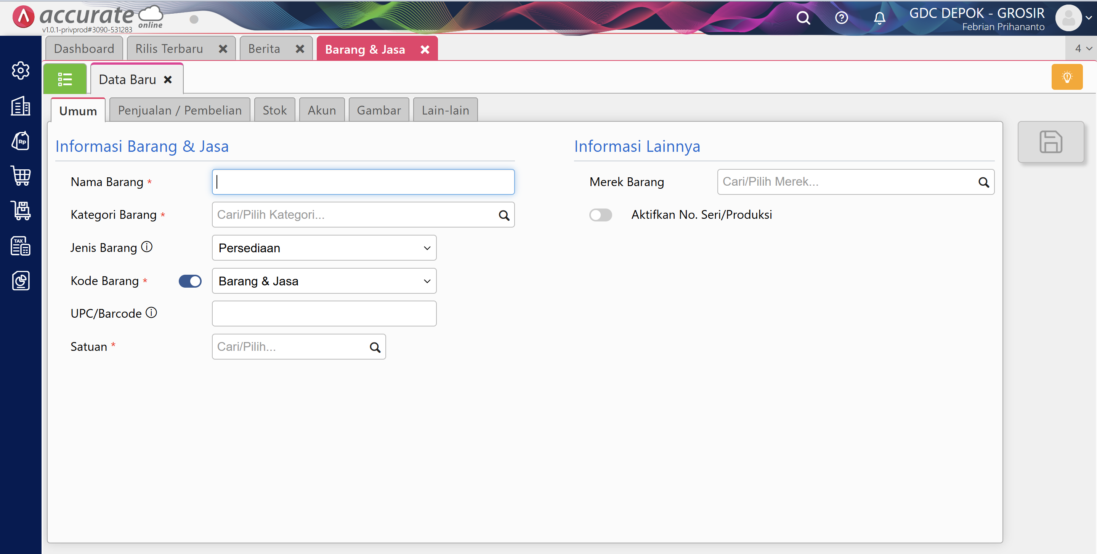
BRAND Code | BRAND NAME | Country Code | Country | Kategori Barang | Code | PRIME/SUB-PRIME CUT | Code | UNIQUE GENERIC NAME

0118 | 2GR | AU | AUSTRALIA | BEEF | 62 | BONE | 62001 | BACK BONE
0011 | AACO | BR | BRAZIL | BUFFALO | 16 | BRISKET | 62002 | BONE
0012 | ACC | ES | SPANYOL | FISH | 10 | CARCASS | 62003 | MIXED BONE
0085 | AFFCO | ID | INDIA | GOAT | 17 | CHUCK | 62004 | NECK BONE
0062 | AL SHIFA | IN | INDONESIA | LAMB | 18 | FAT | 62005 | VERTEBRAE
0063 | AL AHSAN | JP | JAPAN | MUTTON | 14 | FLANK | 62006 | RIB BONE
0064 | AL AKHLAQ | NZ | NEW ZEALAND | POULTRY | 21 | LEG | 62007 | CHUCK VERTEBRAE BONES
0065 | AL ALI | US | UNITED STATES | SQUID | 19 | LIGAMENTUM | 62008 | LUMBAR VERTEBRAE BONES
0066 | AL DUA |  |  | VEAL | 13 | LOIN | 62009 | THORACIC VERTEBRAE BONES
0067 | AL HAMD |  |  | VEGETABLE | 30 | MIXED | 62010 | MARROW BONES
0141 | AL HILAL |  |  | WAGYU/ANGUS | 61 | NECK | 62011 | FEATHER BONES
0068 | AL KABEER |  |  |  | 60 | OFFAL | 62012 | PATELLA BONE
0141 | AL NASIR |  |  |  | 15 | RIB | 16001 | BRISKET
0069 | AL NOOR |  |  |  | 12 | ROUND | 16002 | BRISKET BONE
0070 | AL QURESH |  |  |  | 41 | SHANK | 16003 | BRISKET PLATE
0071 | AL TAMAM |  |  |  | 31 | SLICE | 16004 | SHORT PLATE
0134 | AL-FADEEL |  |  |  | 63 | TONGUE | 16005 | BRISKET FAT
0086 | ALLIANCE |  |  |  | 64 | LIVE STOCK | 16006 | THICK SKIRT
0072 | ALLANA |  |  |  | 22 | WING | 16007 | TRUNK
0073 | ALM |  |  |  | 23 | BREAST | 16008 | BRISKET POINT END
0074 | AMBER |  |  |  | 26 | PROCESSED POTATO | 16009 | BRISKET NAVEL END
0013 | AMG |  |  |  |  |  | 16010 | FLAP
0014 | AMH |  |  |  |  |  | 10001 | CARCASS
0075 | AMROON |  |  |  |  |  | 10002 | FOREQUARTER
0099 | ANGUS-CASSINO |  |  |  |  |  | 10003 | FILLET DORY
0087 | ANZCO |  |  |  |  |  | 10004 | CHICKEN
0076 | AOV |  |  |  |  |  | 10005 | HINDQUARTER
0132 | ARGYLE NURTURE |  |  |  |  |  | 17001 | BLADE
0137 | ASTRA |  |  |  |  |  | 17002 | CHUCK
0104 | BARCOO |  |  |  |  |  | 17003 | CHUCK RIB
0117 | BARRA MANSA |  |  |  |  |  | 17004 | CHUCK ROLL
0077 | BLACK GOLD |  |  |  |  |  | 17005 | CHUCK TENDER
0091 | BLUE RIBBON |  |  |  |  |  | 17006 | SCAPULA
0015 | BORRELLO |  |  |  |  |  | 17007 | SHOULDER
0016 | BORTHWICK |  |  |  |  |  | 17008 | OYSTER BLADE
0017 | CAG |  |  |  |  |  | 17009 | CHUCK CREST
0088 | CANTERBURY |  |  |  |  |  | 17010 | BOLAR BLADE
0058 | CARNEMAX |  |  |  |  |  | 17011 | CHUCK BACK RIB
0018 | CARRARA |  |  |  |  |  | 17012 | CHUCK SHORT RIB
0019 | CASSINO |  |  |  |  |  | 17013 | CHUCK BONES
0020 | CEDAR MEATS |  |  |  |  |  | 17014 | CLOD
0021 | CHOICE |  |  |  |  |  | 18001 | EDIBLE FAT
0022 | COLES |  |  |  |  |  | 18002 | FAT
0128 | CREEKSTONE FARM |  |  |  |  |  | 18003 | FAT BODY
0061 | DAGING KAMBING |  |  |  |  |  | 18004 | FAT KPH
0107 | DAGING KITA |  |  |  |  |  | 18005 | FAT MK
0108 | DAGING POTONGAN |  |  |  |  |  | 18006 | FAT TRIMMING
0109 | DAGING SAPI |  |  |  |  |  | 18007 | FAT BONING
0023 | DIAMANTINA |  |  |  |  |  | 18008 | FAT OVINE CAUL
0136 | EBONY |  |  |  |  |  | 18009 | FAT KIDNEY
0112 | ECONOMY |  |  |  |  |  | 14001 | FLANK
0024 | ECT |  |  |  |  |  | 14002 | THIN FLANK
0025 | FARM VALLEY |  |  |  |  |  | 14003 | THICK FLANK
0092 | FOUR STAR |  |  |  |  |  | 21001 | LEG
0056 | FRIBOI |  |  |  |  |  | 21002 | LEG BONE
0078 | FRIGERIO |  |  |  |  |  | 21003 | LEG CHUMP
0120 | FRIGOL |  |  |  |  |  | 19001 | LIGAMENTUM
0059 | FRIGSA |  |  |  |  |  | 13001 | LUMBAR
0026 | GBP |  |  |  |  |  | 13002 | SHORTLOIN
0097 | GREATER OMAHA |  |  |  |  |  | 13003 | SIRLOIN
0027 | GREENHAM |  |  |  |  |  | 13004 | TENDERLOIN
0089 | GREENLEA |  |  |  |  |  | 13005 | STRIPLOIN
0139 | GREENSTOCK |  |  |  |  |  | 13006 | TRI TIP
0028 | HARDWICK |  |  |  |  |  | 13007 | LONG LOIN
0029 | HARVEY |  |  |  |  |  | 13008 | PORTERHOUSE
0030 | HINTERLAND |  |  |  |  |  | 13009 | BUTT LOIN
0031 | HUNTER VALLEY |  |  |  |  |  | 30001 | 10CL
0079 | IAF |  |  |  |  |  | 30002 | 50CL
0093 | IBP |  |  |  |  |  | 30003 | 65CL
0098 | IOWA |  |  |  |  |  | 30004 | 70CL
0032 | JACK CREEK |  |  |  |  |  | 30005 | 80CL
0033 | JHON DEE |  |  |  |  |  | 30006 | 85CL
0135 | KAMIL |  |  |  |  |  | 30007 | 90CL
0110 | KERBAU MIX |  |  |  |  |  | 30008 | 95CL
0034 | KILCOY |  |  |  |  |  | 30009 | BULK 95CL
0125 | KILCOY DIAMOND |  |  |  |  |  | 30010 | DAGING KITA
0035 | KIMBERLEY |  |  |  |  |  | 30011 | DMM
0116 | KING RIVER |  |  |  |  |  | 30012 | ROLL 95CL
0103 | LGROW |  |  |  |  |  | 30013 | BEEF PASTRAMI
0036 | LOCKER VALLEY |  |  |  |  |  | 30014 | CUTTING
0060 | LOKAL |  |  |  |  |  | 30015 | MESS STEAK
0127 | MARFRIG |  |  |  |  |  | 30016 | BONELESS
0080 | MARHABA |  |  |  |  |  | 30017 | TUBE
0081 | MASH |  |  |  |  |  | 30018 | WINGS
0037 | MC HERD |  |  |  |  |  | 30019 | FQ ROLL
0038 | MC.PEE |  |  |  |  |  | 30020 | TRIMMING
0039 | MERAMIST |  |  |  |  |  | 30021 | MUSCLE MEAT
0040 | MIDFIELD |  |  |  |  |  | 30022 | 45CL
0057 | MINERVA |  |  |  |  |  | 30023 | 40 VL
0082 | MK |  |  |  |  |  | 30024 | 90 VL
0083 | MKR |  |  |  |  |  | 30025 | 80VL
0041 | MONBEEF |  |  |  |  |  | 61001 | NECK MEAT
0124 | MORT AND CO |  |  |  |  |  | 61002 | NECK TRIM
0138 | NISHIAWA BEEF |  |  |  |  |  | 61003 | NECKS
0042 | NOLAN |  |  |  |  |  | 61004 | CHICKEN THROAT
0043 | OAKEY |  |  |  |  |  | 60001 | CHEEK
0044 | OCONNOR |  |  |  |  |  | 60002 | CHINE BONE
0045 | PARADIGM FOODS |  |  |  |  |  | 60003 | FEET
0101 | PMI |  |  |  |  |  | 60004 | HEAD MEAT
0130 | QUEENSLAND BEEF PROCESSING |  |  |  |  |  | 60005 | HEART
0046 | RALPH |  |  |  |  |  | 60006 | KIDNEY
0047 | RANGERS VALLEY |  |  |  |  |  | 60007 | LIMP
0131 | RAVENSWORTH |  |  |  |  |  | 60008 | LIPS
0048 | RIVERLAND |  |  |  |  |  | 60009 | LIVER
0141 | RUM JUNGLE |  |  |  |  |  | 60010 | LUNGS
0084 | RUSTAM |  |  |  |  |  | 60011 | MEMBRANE
0119 | RYOU |  |  |  |  |  | 60012 | OTAK
0126 | S.KIDMAN & CO |  |  |  |  |  | 60013 | OXTAIL
0129 | SAMRAH |  |  |  |  |  | 60014 | TRIPE
0121 | SANCHOKU |  |  |  |  |  | 60015 | INTESTINE
0115 | SECURITY FOODS |  |  |  |  |  | 60016 | SPLEEN
0090 | SILVERFARMS |  |  |  |  |  | 60017 | AORTA
0133 | SOUTH RIVER |  |  |  |  |  | 60018 | ABOMASUM
0096 | STANBROKE |  |  |  |  |  | 60019 | TESTIS
0106 | STRILING |  |  |  |  |  | 60020 | THROAT
0140 | SUPREMO |  |  |  |  |  | 60021 | RECTUM
0055 | SWIFT |  |  |  |  |  | 60022 | SKIN
0123 | TABRO |  |  |  |  |  | 60023 | CHICKEN INTESTINE
0095 | TAS QUALITY |  |  |  |  |  | 60024 | THROAT TRIMMING
0122 | TAYLOR PRESTON |  |  |  |  |  | 15001 | BACKRIB
0100 | TYSON |  |  |  |  |  | 15002 | CUBE ROLL
0049 | TEYS |  |  |  |  |  | 15003 | INTERCOSTAL
0105 | TOMCL |  |  |  |  |  | 15004 | RACK
0111 | TULANG SAPI |  |  |  |  |  | 15005 | RIB PLATE
0050 | VV WALLS |  |  |  |  |  | 15006 | SHORT RIB
0051 | WAGSTAFF |  |  |  |  |  | 15007 | SPARE RIB
0114 | WESTERN MEAT PACKERS GROUP |  |  |  |  |  | 15008 | TOMAHAWK
0052 | WINGHAM |  |  |  |  |  | 15009 | BACKSTRAP
0053 | WMPG |  |  |  |  |  | 15010 | RACK STANDARD
0094 | WOODWARD |  |  |  |  |  | 15011 | RIB END
0054 | WOOLWORTHS |  |  |  |  |  | 15012 | RIB FINGER
 |  |  |  |  |  |  | 15013 | RIB EYE
 |  |  |  |  |  |  | 15014 | RIB CAP
 |  |  |  |  |  |  | 15015 | RIB
 |  |  |  |  |  |  | 15016 | RIB BLADE
 |  |  |  |  |  |  | 15017 | RIB MEAT
 |  |  |  |  |  |  | 15018 | RIBLOIN
 |  |  |  |  |  |  | 12001 | EYEROUND
 |  |  |  |  |  |  | 12002 | HEEL MUSCLE
 |  |  |  |  |  |  | 12003 | INSIDE
 |  |  |  |  |  |  | 12004 | KNUCKLE
 |  |  |  |  |  |  | 12005 | OUTSIDE FLAT
 |  |  |  |  |  |  | 12006 | RUMP
 |  |  |  |  |  |  | 12007 | SILVERSIDE
 |  |  |  |  |  |  | 12008 | TOPSIDE
 |  |  |  |  |  |  | 12009 | KNEE CAP
 |  |  |  |  |  |  | 12010 | ROSTBIFF
 |  |  |  |  |  |  | 12011 | RUMPSTEAK
 |  |  |  |  |  |  | 12012 | D-RUMP
 |  |  |  |  |  |  | 12013 | RUMP CAP
 |  |  |  |  |  |  | 12014 | AITCHBONE
 |  |  |  |  |  |  | 12015 | GOOSENECK ROUND
 |  |  |  |  |  |  | 12016 | TOP ROUND
 |  |  |  |  |  |  | 12017 | ROBBED FOREQUARTER (HUMP)
 |  |  |  |  |  |  | 12018 | ROBBED HINDQUARTER
 |  |  |  |  |  |  | 41001 | CARTILAGE
 |  |  |  |  |  |  | 41002 | PATELLA
 |  |  |  |  |  |  | 41003 | SHANK
 |  |  |  |  |  |  | 41004 | HINDSHANK
 |  |  |  |  |  |  | 41005 | HIND TENDON
 |  |  |  |  |  |  | 41006 | FORE TENDON
 |  |  |  |  |  |  | 41007 | GOLDEN COIN
 |  |  |  |  |  |  | 41008 | TENDON
 |  |  |  |  |  |  | 41009 | SHIN SHANK
 |  |  |  |  |  |  | 31001 | SLICE
 |  |  |  |  |  |  | 63001 | BEEF TONGUE
 |  |  |  |  |  |  | 63002 | TONGUE MEAT
 |  |  |  |  |  |  | 63003 | TONGUE ROOT
 |  |  |  |  |  |  | 63004 | TONGUE TRIMMING
 |  |  |  |  |  |  | 64001 | LIVE STOCK
 |  |  |  |  |  |  | 22001 | CHICKEN WINGS
 |  |  |  |  |  |  | 23001 | CHICKEN BREAST
 |  |  |  |  |  |  | 26001 | SHOESTRING
 |  |  |  |  |  |  | 26002 | CRINKLE CUT
 |  |  |  |  |  |  | 26003 | STRAIGHT CUT
 |  |  |  |  |  |  | 26004 | WAFFLE CUT
 |  |  |  |  |  |  | 26005 | STEAK FRIES

